SHELL
NITRO WOMENS PANT |  |  |  |  |  |  | SAMPLE SIZE: SMALL / SIZE RANGE: XS-L
SEASON: |  | WINTER 2018/2019 |  |  | CONTRACTOR: |  | SOLUNA
STYLE NUMBER: |  | W18-201 |  |  | DATE CREATED: |  | 2017-03-29
STYLE NAME: |  | YAMANOUCHI BIB |  |  | DATE REVISED:
WATERPROOF/BREATHABILITY: |  | 20K/25K |  |  | BLOCK: |  | Based on W17-201 Wmns YAMANOUCHI Bib fit
SEAM SEALING: |  | FULLY SEAM SEALED |  |  | FIT: |  | REGULAR FIT
INSULATION: |  | NOT INSULATED |  |  | TARGET FOB:
 |  |  | 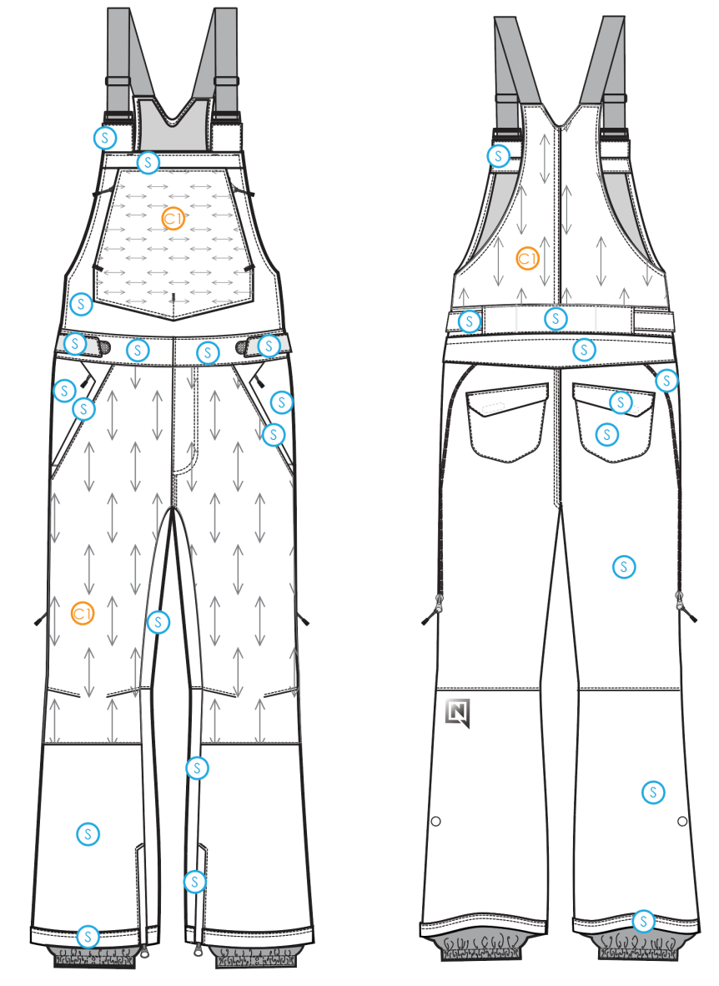
 |  |  |  | COLORWAYS
SHELL FABRIC | SUPPLIER/ REFERENCE NUMBER | LOCATION | CONTENT | COLORWAY 1 | COLORWAY 2 | COLORWAY 3 | COLORWAY 4 | COLORWAY 5
 | Hyperbola / SC670-6 3L micro-rip, w/printed tricot | S |  | COLOR
 | Hyperbola / D3357-2 *Stretch panel | C1 |  | COLOR

INSULATION | SUPPLIER/ REFERENCE NUMBER | LOCATION | CONTENT | COLORWAY 1 | COLORWAY 2 | COLORWAY 3 | COLORWAY 4 | COLORWAY 5 | 0
NON INSULATED

SEAM TAPE | SUPPLIER/ REFERENCE NUMBER | LOCATION | CONTENT | COLORWAY 1 | COLORWAY 2 | COLORWAY 3 | COLORWAY 4 | COLORWAY 5 | 0
FULLY SEAM SEALED | TSGS | FULLY SEAM SEALED |  | FULLY SEAM SEALED

LINING | SUPPLIER/ REFERENCE NUMBER | LOCATION | CONTENT | COLORWAY 1 | COLORWAY 2 | COLORWAY 3 | COLORWAY 4 | COLORWAY 5 | 0
NOTE THIS IS A 3L GARMENT SO THE MAIN BODY SHOULD NOT BE LINED |  | MAIN BODY
SOLID COATED 210T | SUPPLIER / REF CODE | GAITER | 100% POLYESTER | COLOR

MEASUREMENTS
NITRO WOMENS PANT
SEASON: |  | WINTER 2018/2019 |  |  |  |  |  |  | CONTRACTOR: |  |  |  | SOLUNA
STYLE NUMBER: |  | W18-201 |  |  |  |  |  |  | DATE CREATED: |  |  |  | 2017-03-29
STYLE NAME: |  | YAMANOUCHI BIB |  |  |  |  |  |  | DATE REVISED:
WATERPROOF/BREATHABILITY: |  | 20K/25K |  |  |  |  |  |  | BLOCK: |  |  |  | Based on W17-201 Wmns YAMANOUCHI Bib fit
SEAM SEALING: |  | FULLY SEAM SEALED |  |  |  |  |  |  | FIT: |  |  |  | REGULAR FIT
INSULATION: |  | NOT INSULATED |  |  |  |  |  |  | TARGET FOB: |  |  |  | $0.00
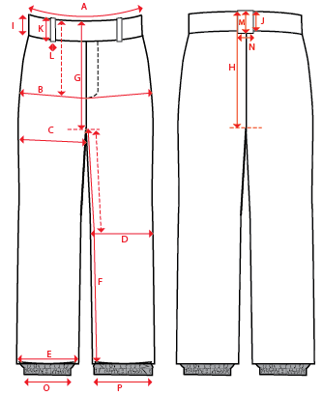
 |  |  |  |  | 1ST PROTO |  |  | 2ND PROTO |  |  | 3RD PROTO |  |  | S/SAMPLE |  |  | PP SAMPLE |  | FINAL
 |  |  |  | DATE: |  |  | DATE: |  |  | DATE: |  |  | DATE: |  |  | DATE:
 |  |  | TOL +/- | INITIAL MEASMNT | SAMPLE MEASURES | REVISE TO | REQUESTED | SAMPLE MEASURES | REVISE TO | REQUESTED | SAMPLE MEASURES | REVISE TO | REQUESTED | SAMPLE MEASURES | REVISE TO | REQUESTED | SAMPLE MEASURES | REVISE TO | APPROVED MEASMNTS
A | WAIST WIDTH |  | 0.25 | 18.5
 | CHEST WIDTH AT ARMHOLE (STRAIGHT ACROSS) |  | 0.25 | 18.5
B | HIP - 7" DOWN FROM TOP EDGE OF WAIST TOP EDGE |  | 0.25 | 21.5
C | THIGH - 1" BELOW CROTCH |  | 0.25 | 12.75
D | KNEE -XS-12.75", S - 13", M-13.25", L-13.5" DOWN FROM CROTCH |  | 0.25 | 9.5
E | HEM OPENING |  | 0.25 | 11
F | INSEAM - FROM CENTER OF CROTCH |  | 0.25 | 33.5
G | FRONT RISE to crotch seam - INCL WAISTBAND |  | 0.125 | 10.5
H | BACK RISE to crotch seam - INCL WAISTBAND |  | 0.125 | 16.5
I | CF WAIST BAND HEIGHT |  | 0.125 | 2
J | CB WAIST BAND HEIGHT |  | 0.125 | 2
 | TOTAL STRAP LENGTH (WITH 3.5" OVERLAP, NOT EXTENDED, INCLUDES LOOP) |  | 0.125 | 10
 | BIB HEIGHT AT SIDESEAM (TOP EDGE TO WAIST SEAM) |  | 0.125 | 3.625
 | BIB HEIGHT AT CF (TOP EDGE TO WAIST SEAM) |  | 0.125 | 12
 | FRONT BIB WIDTH (ALONG TOP EDGE) |  | 0.125 | 8.25
 | BACK BIB WIDTH (1" DOWN FROM BACK NECK) |  |  | 5.5
 | BACK POCKET FLAP HEIGHT |  | 0.125 | 2.25
 | BACK POCKET FLAP WIDTH |  | 0.125 | 6.75
 | BACK POCKET HEIGHT |  | 0.125
 | BACK POCKET WIDTH |  | 0.125 | 6.5
O | STORM CUFF RELAXED |  | 0.25 | 7.5
P | STORM CUFF STRETCHED |  | 0.25 | 12
ZIPPERS | CHEST POCKET |  | 0.125 | 6.5
 | HAND POCKETS |  | 0.125 | 6.5
 | HORSESHOE SHAPED BACK ENTRY |  | 0.125
 | BACK POCKETS HORIZONTAL |  | 0.125 | 6
 | HEM GUSSET |  | 0.125 | 8

